Classifying SLs
Classifying the Entire Service Line When Ownership Is Split

Purpose of this worksheet: To summarize EPA's requirements for classifying the entire service line when ownership is split.

Introduction
In many cases, service line ownership is split meaning that the system owns a portion and the customer owns a portion of the service line. Exhibit 1 below is a diagram of a possible division in service line ownership between the water system and customer. While the LCRR requires the inventory to categorize each service line or portions of the service line where ownership is split, a single classification per service line is also needed to support various LCRR requirements, such as lead service line replacement (LSLR), tap sampling, and risk mitigation. Table 1 below indicates how to classify the material for the entire service line when ownership is split between the water system and customer. For more information, see EPA's, Guidance for Developing and Maintaining a Service Line Inventory (2022).

Exhibit 1. Example of Service Line Ownership Distinction between the Water System and Customer
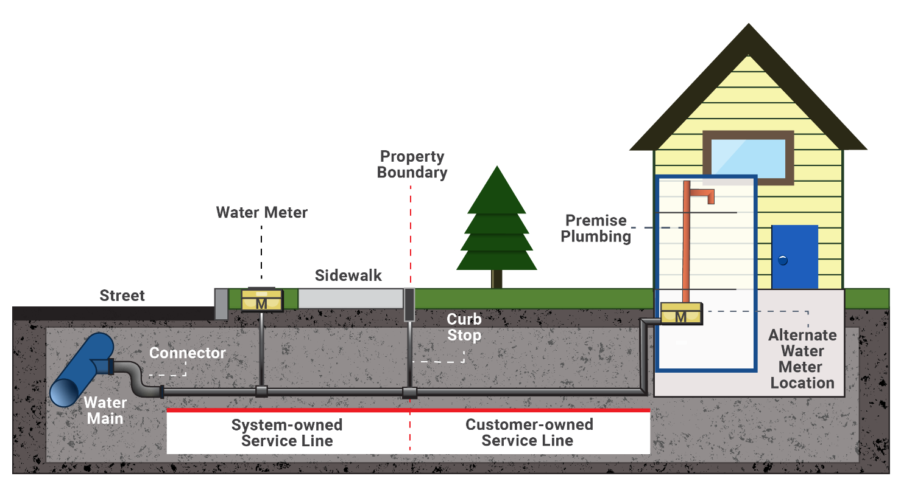

Source: Exhibit 2-2 of Guidance for Developing and Maintaining a Lead Service Line Inventory (USEPA, 2022).

Table 1: Classification of Entire Service Line When Ownership is Split
System-Owned Portion | Customer-Owned Portion | Classification for Entire Service Line
Lead | Lead | Lead
Lead | Galvanized Requiring Replacement | Lead
Lead | Non-lead | Lead
Lead | Unknown | Lead
Non-lead | Lead | Lead
Non-lead and never previously lead | Non-lead - galvanized | Non-lead
Non-lead | Non-lead - material other than galvanized | Non-lead
Non-lead | Unknown | Unknown
Non-lead, but may have previously been lead | Galvanized Requiring Replacement | Galvanized Requiring Replacement
Unknown | Lead | Lead
Unknown | Galvanized Requiring Replacement | Galvanized Requiring Replacement
Unknown | Non-lead | Unknown
Unknown | Unknown | Unknown
Source: Exhibit 2-3 of Guidance for Developing and Maintaining a Service Line Inventory (USEPA, 2022).

Drop Down Lists for Detailed Inventory
Records | Records
Installation date after lead ban | Service line diameter > 2 inch
Service line diameter > 2 inch | Build/installation date after lead ban
Field inspection | Customer report
Statistical method | Field inspection
Other | Statistical method

